Instructions
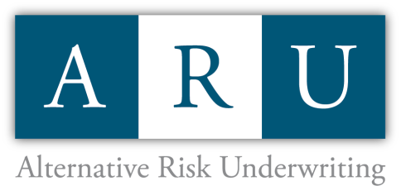

Please complete tabs #1 through #7 for Captive Submission

Captive Management Oversight:

Tom Marros
Tmarros@aru111.com

Allie Stephens
Astephens@aru111.com

